UB Depletion Plot
Upper Colorado River System: UCRC and BOR Projected Depletion Demand Schedules and BOR consumptive Use Data
 | maxCRSS | minCRSS | maxUCRC | minUCRC | minall | BRUCR 1981 | BRUCR 1984 | CRSS-baseline scenario | CRSS-B scenario | CRSS-C1 scenario | CRSS-C2 scenario | CRSS-D1 scenario
 |  |  |  |  |  | 3.46
 |  |  |  |  |  | 3.54
 |  |  |  |  |  | 3.62
 |  |  |  |  |  | 3.69 | 3.49
 |  |  |  |  |  | 3.77 | 3.58
 |  |  |  |  |  | 3.84 | 3.66
 |  |  |  |  |  | 3.92 | 3.75
 |  |  |  |  |  | 4.00 | 3.84
 |  |  |  |  |  | 4.07 | 3.92
 |  |  |  |  |  | 4.15 | 4.01
 |  |  |  |  |  | 4.23 | 4.10
 |  |  |  |  |  | 4.28 | 4.16
 |  |  |  |  |  | 4.34 | 4.21
 |  |  |  |  |  | 4.40 | 4.27
 |  |  |  |  |  | 4.45 | 4.33
 |  |  |  |  |  | 4.51 | 4.39
 |  |  |  |  |  | 4.57 | 4.45
 |  |  |  |  |  | 4.62 | 4.50
 |  |  |  |  |  | 4.68 | 4.56
 |  |  |  |  |  | 4.74 | 4.62
 |  |  | 3.96 | 3.96 | 3.96 | 4.80 | 4.68
 |  |  | 3.99 | 3.99 | 3.989 | 4.83 | 4.70
 |  |  | 4.27 | 4.02 | 4.019 | 4.86 | 4.72
 |  |  | 4.32 | 4.05 | 4.048 | 4.89 | 4.73
 |  |  | 4.37 | 4.08 | 4.078 | 4.93 | 4.75
 |  |  | 4.45 | 4.11 | 4.107 | 4.96 | 4.77
 |  |  | 4.48 | 4.14 | 4.137 | 4.99 | 4.79
 |  |  | 4.51 | 4.17 | 4.167 | 5.02 | 4.81
 |  |  | 4.54 | 4.20 | 4.196 | 5.06 | 4.83
 |  |  | 4.58 | 4.23 | 4.226 | 5.09 | 4.85
 |  |  | 4.80 | 4.37 | 4.374 | 5.12 | 4.87
 | 4.70 | 4.60 | 4.82 | 4.39 | 4.392 |  | 4.88 | 4.70 | 4.60 | 4.70 | 4.70 | 4.70
 | 4.72 | 4.62 | 4.85 | 4.41 | 4.41 |  | 4.90 | 4.71 | 4.62 | 4.72 | 4.71 | 4.71
 | 4.74 | 4.63 | 4.87 | 4.43 | 4.428 |  | 4.91 | 4.72 | 4.63 | 4.74 | 4.72 | 4.71
 | 4.75 | 4.64 | 4.89 | 4.45 | 4.446 |  | 4.92 | 4.73 | 4.64 | 4.75 | 4.73 | 4.72
 | 4.77 | 4.66 | 4.91 | 4.46 | 4.464 |  | 4.94 | 4.74 | 4.66 | 4.77 | 4.74 | 4.72
 | 4.79 | 4.68 | 4.94 | 4.48 | 4.482 |  | 4.95 | 4.77 | 4.68 | 4.79 | 4.76 | 4.73
 | 4.82 | 4.70 | 4.96 | 4.50 | 4.5 |  | 4.96 | 4.79 | 4.70 | 4.82 | 4.78 | 4.74
 | 4.85 | 4.71 | 4.98 | 4.52 | 4.518 |  | 4.98 | 4.82 | 4.71 | 4.85 | 4.81 | 4.76
 | 4.87 | 4.73 | 5.00 | 4.54 | 4.536 |  | 4.99 | 4.84 | 4.73 | 4.87 | 4.83 | 4.77
...

CRSP Reservoir Evaporation Plot
Upper Colorado River System: UCRC and BOR Projected, Historical CRSP Net Evaporation and Gross CRSP Evaporation
 | BRUCR 1981 | BRUCR 1984 | UCRC 2016 | UCRC 1999 | UCRC 2007 schedule B | Observed | HisDataPowellGrossRate | CRSS 2007 RATE | With Periodic Net Evap Rate
 |  |  |  |  |  | 0.44 | 0.66 | 0.48 | 0.47
 |  |  |  |  |  | 0.45 | 0.66 | 0.49 | 0.47
 |  |  |  |  |  | 0.50 | 0.74 | 0.54 | 0.55
 |  |  |  |  |  | 0.59 | 0.82 | 0.60 | 0.61
 |  |  |  |  |  | 0.61 | 0.86 | 0.62 | 0.65
 |  |  |  |  |  | 0.63 | 0.86 | 0.62 | 0.64
 |  |  |  |  |  | 0.54 | 0.75 | 0.55 | 0.55
 |  |  |  |  |  | 0.52 | 0.74 | 0.54 | 0.54
 |  |  |  |  |  | 0.61 | 0.87 | 0.62 | 0.66
 | 0.52 |  |  |  |  | 0.69 | 0.94 | 0.68 | 0.72
 | 0.52 |  |  |  |  | 0.65 | 0.89 | 0.64 | 0.67
 | 0.52 |  |  |  |  | 0.67 | 0.92 | 0.67 | 0.71
 | 0.52 | 0.52 |  |  |  | 0.73 | 0.99 | 0.72 | 0.77
 | 0.52 | 0.52 |  |  |  | 0.71 | 0.97 | 0.70 | 0.75
 | 0.52 | 0.52 |  |  |  | 0.70 | 0.96 | 0.69 | 0.74
 | 0.52 | 0.52 |  |  |  | 0.71 | 0.96 | 0.69 | 0.74
 | 0.52 | 0.52 |  |  |  | 0.70 | 0.96 | 0.69 | 0.74
 | 0.52 | 0.52 |  |  |  | 0.69 | 0.94 | 0.68 | 0.72
 | 0.52 | 0.52 |  |  |  | 0.63 | 0.87 | 0.63 | 0.65
 | 0.52 | 0.52 |  |  |  | 0.55 | 0.77 | 0.56 | 0.56
 | 0.52 | 0.52 |  |  |  | 0.51 | 0.73 | 0.53 | 0.53
 | 0.52 | 0.52 |  |  |  | 0.49 | 0.70 | 0.52 | 0.51
 | 0.52 | 0.52 |  |  |  | 0.57 | 0.82 | 0.59 | 0.62
 | 0.52 | 0.52 |  |  |  | 0.59 | 0.82 | 0.59 | 0.61
 | 0.52 | 0.52 |  |  |  | 0.65 | 0.91 | 0.66 | 0.70
 | 0.52 | 0.52 |  |  |  | 0.67 | 0.92 | 0.66 | 0.70
 | 0.52 | 0.52 |  |  |  | 0.68 | 0.94 | 0.68 | 0.72
 | 0.52 | 0.52 |  |  |  | 0.70 | 0.95 | 0.69 | 0.73
 | 0.52 | 0.52 |  |  |  | 0.70 | 0.95 | 0.69 | 0.73
 | 0.52 | 0.52 |  |  |  | 0.66 | 0.90 | 0.66 | 0.69
 | 0.52 | 0.52 |  |  |  | 0.62 | 0.85 | 0.62 | 0.64
 | 0.52 | 0.52 |  | 0.57 |  | 0.51 | 0.72 | 0.53 | 0.52
 | 0.52 | 0.52 |  | 0.57 |  | 0.43 | 0.63 | 0.47 | 0.45
 | 0.52 | 0.52 |  | 0.57 |  | 0.36 | 0.55 | 0.41 | 0.38
 | 0.52 | 0.52 |  | 0.57 |  | 0.39 | 0.61 | 0.45 | 0.43
 | 0.52 | 0.52 |  | 0.57 |  | 0.44 | 0.64 | 0.47 | 0.45
 | 0.52 | 0.52 |  | 0.57 |  | 0.45 | 0.64 | 0.47 | 0.45
 | 0.52 | 0.52 |  | 0.57 |  | 0.50 | 0.69 | 0.50 | 0.50
 | 0.52 | 0.52 |  | 0.57 |  | 0.53 | 0.73 | 0.53 | 0.53
 | 0.52 | 0.52 |  | 0.57 | 0.25 | 0.53 | 0.73 | 0.53 | 0.53
 |  | 0.52 |  | 0.57 | 0.25 | 0.57 | 0.77 | 0.56 | 0.58
 |  | 0.52 |  | 0.57 | 0.25 | 0.52 | 0.70 | 0.52 | 0.51
 |  | 0.52 |  | 0.57 | 0.25 | 0.42 | 0.60 | 0.44 | 0.42
 |  | 0.52 |  | 0.57 | 0.25 | 0.44 | 0.63 | 0.46 | 0.45
 |  | 0.52 |  | 0.57 | 0.25 | 0.46 | 0.65 | 0.48 | 0.46
 |  | 0.52 |  | 0.57 | 0.25 | 0.47 | 0.65 | 0.48 | 0.47
 |  | 0.52 |  | 0.57 | 0.25 | 0.51 | 0.71 | 0.52 | 0.52
 |  | 0.52 |  | 0.57 | 0.25 | 0.45 | 0.63 | 0.47 | 0.44
 |  | 0.52 |  | 0.57 | 0.25
...

UCRC 1996
Year | Depletion (KAF/per year) | Guidance for this page
2000 | 3,960 | Data in Column B is from the following report.
2001 | 3,989 | There is no reservoir evaporation in the report
2002 | 4,019
2003 | 4,048 | Colorado River Interim Surplus Criteria, Draft Environmental Impact Statement
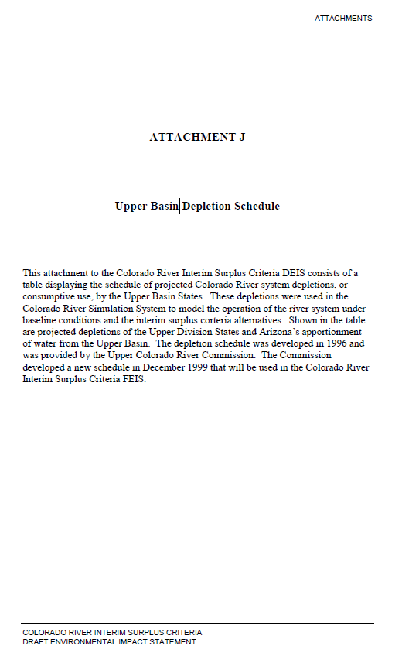
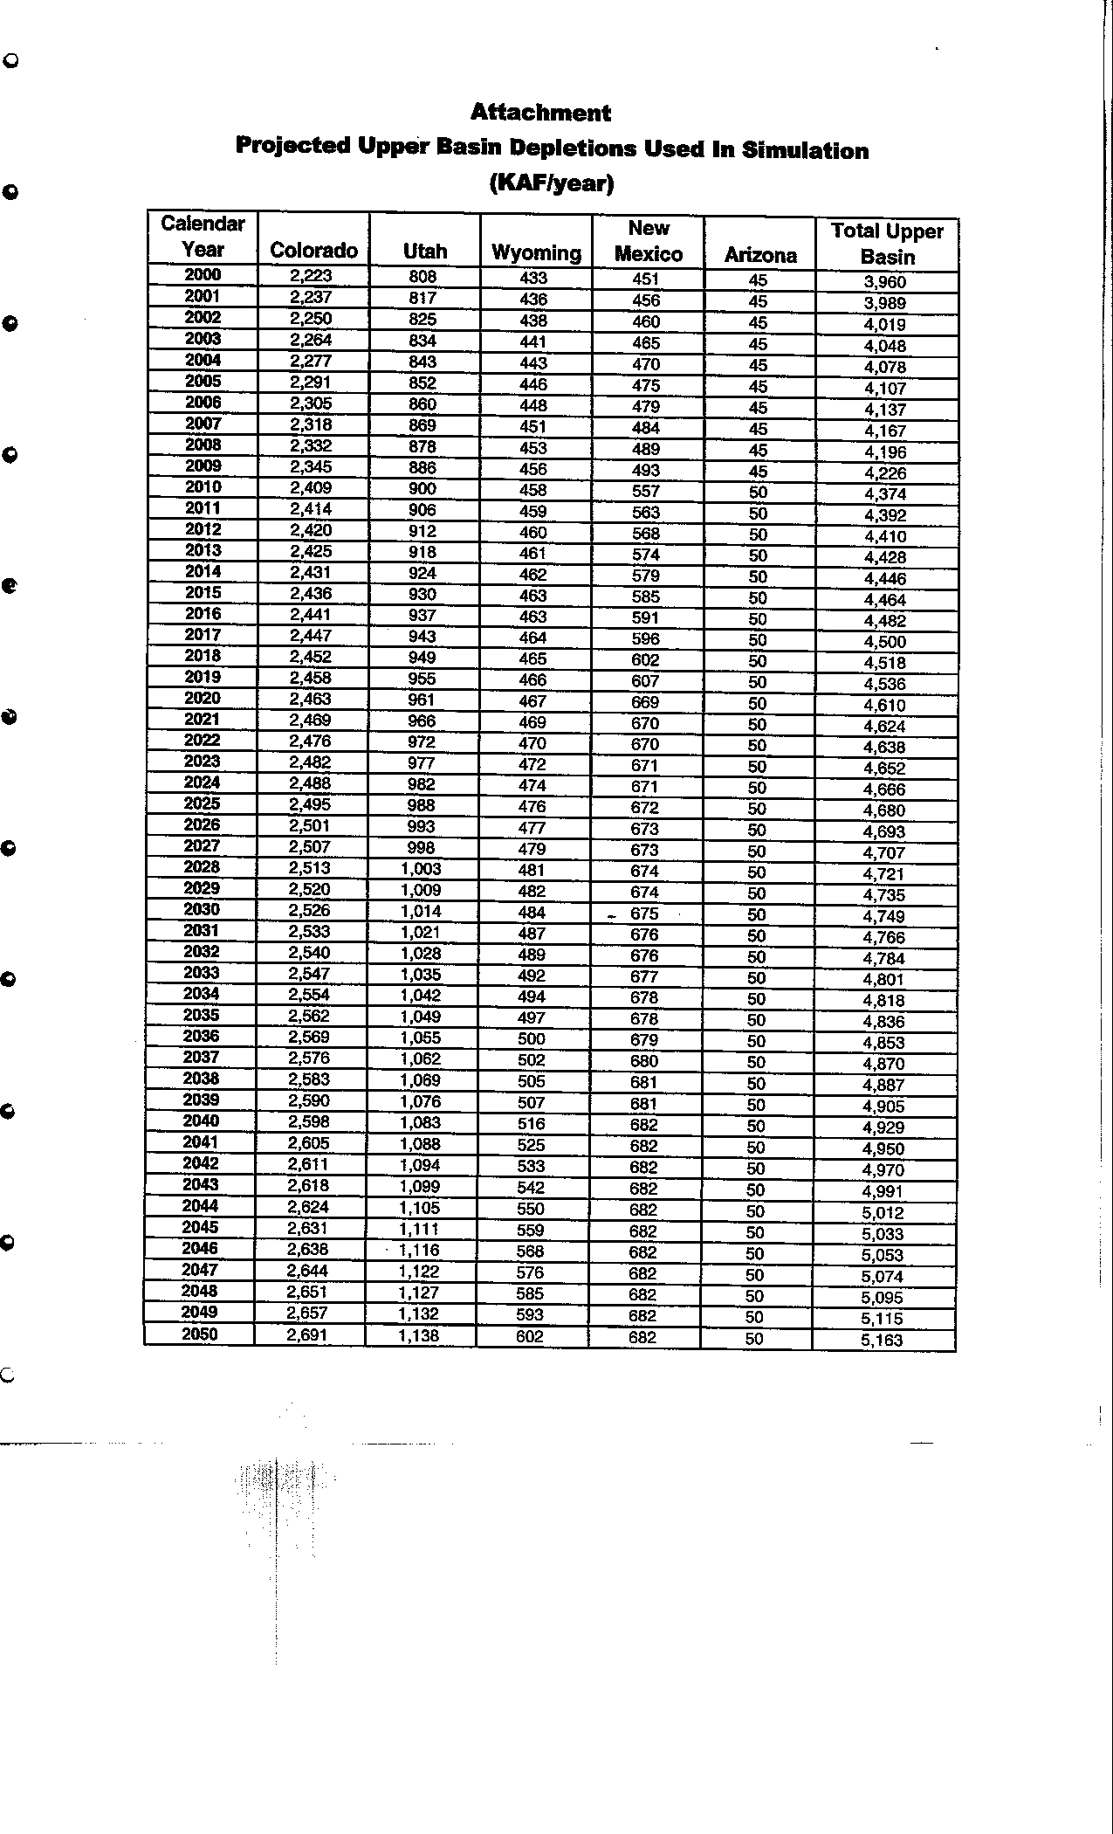
2004 | 4,078
2005 | 4,107
2006 | 4,137
2007 | 4,167
2008 | 4,196
2009 | 4,226
2010 | 4,374
2011 | 4,392
2012 | 4,410
2013 | 4,428
2014 | 4,446
2015 | 4,464
2016 | 4,482
2017 | 4,500
2018 | 4,518
2019 | 4,536
2020 | 4,610
2021 | 4,624
2022 | 4,638
2023 | 4,652
2024 | 4,666
2025 | 4,680
2026 | 4,693
2027 | 4,707
2028 | 4,721
2029 | 4,735
2030 | 4,749
2031 | 4,766
2032 | 4,784
2033 | 4,801
2034 | 4,818
2035 | 4,836
2036 | 4,853
2037 | 4,870
2038 | 4,887
2039 | 4,905
2040 | 4,929
2041 | 4,950
2042 | 4,970
2043 | 4,991
2044 | 5,012
2045 | 5,033
2046 | 5,053
2047 | 5,074
2048 | 5,095
2049 | 5,115
2050 | 5,163
2051
2052
2053
2054
2055
2056
2057
2058
2059
2060

UCRC 1999
 | Guidance for this page
 | Evaporation and total upper basin data are copied from "Colorado River Interim Surplus Criteria, FEIS"
 | Depletion is the gap between Total Upper basin and Evaporation

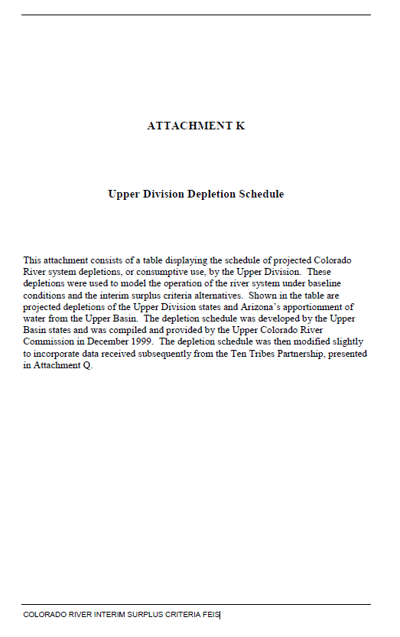
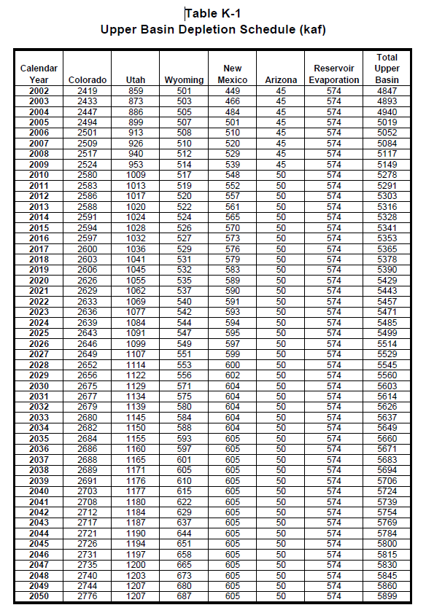
 | Depletion | Evaporation | Total Upper Basin |  | Colorado | Utah | Wyoming | New Mexico | Arizona | Reservoir Evaporation | Total Upper Basin
Year | (KAF/ per year) | (KAF/ per year) | (KAF/ per year) | Calendar Year | (KAF/ per year) | (KAF/ per year) | (KAF/ per year) | (KAF/ per year) | (KAF/ per year) | (KAF/ per year) | (KAF/ per year) | Colorado River Interim Surplus Criteria, FEIS
2002 | 4,273 | 574 | 4,847 | 2002 | 2,419 | 859 | 501 | 449 | 45 | 574 | 4,847
2003 | 4,319 | 574 | 4,893 | 2003 | 2,433 | 873 | 503 | 466 | 45 | 574 | 4,893
2004 | 4,366 | 574 | 4,940 | 2004 | 2,447 | 886 | 505 | 484 | 45 | 574 | 4,940
2005 | 4,445 | 574 | 5,019 | 2005 | 2,494 | 899 | 507 | 501 | 45 | 574 | 5,019
2006 | 4,478 | 574 | 5,052 | 2006 | 2,501 | 913 | 508 | 510 | 45 | 574 | 5,052
2007 | 4,510 | 574 | 5,084 | 2007 | 2,509 | 926 | 510 | 520 | 45 | 574 | 5,084
2008 | 4,543 | 574 | 5,117 | 2008 | 2,517 | 940 | 512 | 529 | 45 | 574 | 5,117
2009 | 4,575 | 574 | 5,149 | 2009 | 2,524 | 953 | 514 | 539 | 45 | 574 | 5,149
2010 | 4,704 | 574 | 5,278 | 2010 | 2,580 | 1,009 | 517 | 548 | 50 | 574 | 5,278
2011 | 4,717 | 574 | 5,291 | 2011 | 2,583 | 1,013 | 519 | 552 | 50 | 574 | 5,291
2012 | 4,729 | 574 | 5,303 | 2012 | 2,586 | 1,017 | 520 | 557 | 50 | 574 | 5,303
2013 | 4,742 | 574 | 5,316 | 2013 | 2,588 | 1,020 | 522 | 561 | 50 | 574 | 5,316
2014 | 4,754 | 574 | 5,328 | 2014 | 2,591 | 1,024 | 524 | 565 | 50 | 574 | 5,328
2015 | 4,767 | 574 | 5,341 | 2015 | 2,594 | 1,028 | 526 | 570 | 50 | 574 | 5,341
2016 | 4,779 | 574 | 5,353 | 2016 | 2,597 | 1,032 | 527 | 573 | 50 | 574 | 5,353
2017 | 4,791 | 574 | 5,365 | 2017 | 2,600 | 1,036 | 529 | 576 | 50 | 574 | 5,365
2018 | 4,804 | 574 | 5,378 | 2018 | 2,603 | 1,041 | 531 | 579 | 50 | 574 | 5,378
2019 | 4,816 | 574 | 5,390 | 2019 | 2,606 | 1,045 | 532 | 583 | 50 | 574 | 5,390
2020 | 4,855 | 574 | 5,429 | 2020 | 2,626 | 1,055 | 535 | 589 | 50 | 574 | 5,429
2021 | 4,869 | 574 | 5,443 | 2021 | 2,629 | 1,062 | 537 | 590 | 50 | 574 | 5,443
2022 | 4,883 | 574 | 5,457 | 2022 | 2,633 | 1,069 | 540 | 591 | 50 | 574 | 5,457
2023 | 4,897 | 574 | 5,471 | 2023 | 2,636 | 1,077 | 542 | 593 | 50 | 574 | 5,471
2024 | 4,911 | 574 | 5,485 | 2024 | 2,639 | 1,084 | 544 | 594 | 50 | 574 | 5,485
2025 | 4,925 | 574 | 5,499 | 2025 | 2,643 | 1,091 | 547 | 595 | 50 | 574 | 5,499
2026 | 4,940 | 574 | 5,514 | 2026 | 2,646 | 1,099 | 549 | 597 | 50 | 574 | 5,514
2027 | 4,955 | 574 | 5,529 | 2027 | 2,649 | 1,107 | 551 | 599 | 50 | 574 | 5,529
2028 | 4,971 | 574 | 5,545 | 2028 | 2,652 | 1,114 | 553 | 600 | 50 | 574 | 5,545
2029 | 4,986 | 574 | 5,560 | 2029 | 2,656 | 1,122 | 556 | 602 | 50 | 574 | 5,560
2030 | 5,029 | 574 | 5,603 | 2030 | 2,675 | 1,129 | 571 | 604 | 50 | 574 | 5,603
2031 | 5,040 | 574 | 5,614 | 2031 | 2,677 | 1,134 | 575 | 604 | 50 | 574 | 5,614
2032 | 5,052 | 574 | 5,626 | 2032 | 2,679 | 1,139 | 580 | 604 | 50 | 574 | 5,626
2033 | 5,063 | 574 | 5,637 | 2033 | 2,680 | 1,145 | 584 | 604 | 50 | 574 | 5,637
2034 | 5,075 | 574 | 5,649 | 2034 | 2,682 | 1,150 | 588 | 604 | 50 | 574 | 5,649
2035 | 5,086 | 574 | 5,660 | 2035 | 2,684 | 1,155 | 593 | 605 | 50 | 574 | 5,660
2036 | 5,097 | 574 | 5,671 | 2036 | 2,686 | 1,160 | 597 | 605 | 50 | 574 | 5,671
2037 | 5,109 | 574 | 5,683 | 2037 | 2,688 | 1,165 | 601 | 605 | 50 | 574 | 5,683
2038 | 5,120 | 574 | 5,694 | 2038 | 2,689 | 1,171 | 605 | 605 | 50 | 574 | 5,694
2039 | 5,132 | 574 | 5,706 | 2039 | 2,691 | 1,176 | 610 | 605 | 50 | 574 | 5,706
2040 | 5,150 | 574 | 5,724 | 2040 | 2,703 | 1,177 | 615 | 605 | 50 | 574 | 5,724
2041 | 5,165 | 574 | 5,739 | 2041 | 2,708 | 1,180 | 622 | 605 | 50 | 574 | 5,739
2042 | 5,180 | 574 | 5,754 | 2042 | 2,712 | 1,184 | 629 | 605 | 50 | 574 | 5,754
2043 | 5,195 | 574 | 5,769 | 2043 | 2,717 | 1,187 | 637 | 605 | 50 | 574 | 5,769
2044 | 5,210 | 574 | 5,784 | 2044 | 2,721 | 1,190 | 644 | 605 | 50 | 574 | 5,784
2045 | 5,226 | 574 | 5,800 | 2045 | 2,726 | 1,194 | 651 | 605 | 50 | 574 | 5,800
2046 | 5,241 | 574 | 5,815 | 2046 | 2,731 | 1,197 | 658 | 605 | 50 | 574 | 5,815
2047 | 5,256 | 574 | 5,830 | 2047 | 2,735 | 1,200 | 665 | 605 | 50 | 574 | 5,830
2048 | 5,271 | 574 | 5,845 | 2048 | 2,740 | 1,203 | 673 | 605 | 50 | 574 | 5,845
2049 | 5,286 | 574 | 5,860 | 2049 | 2,744 | 1,207 | 680 | 605 | 50 | 574 | 5,860
2050 | 5,325 | 574 | 5,899 | 2050 | 2,776 | 1,207 | 687 | 605 | 50 | 574 | 5,899
2051
2052
2053
2054
2055
2056
2057
2058
2059
2060

UCRC 2007
 | Summary of Depletions of Schedule A (=Total of schedule B) | Total of schedule A | Critical Period CRSP Evap | Guidance for this page
 | (KAF/ per year) | (KAF/ per year) | (KAF/ per year) | Data Range (H7 to M9) is copied from the following report. Data in Columns B and C is the liner interpolation results
2010 | 4,802 | 5,052 | 250
2011 | 4,824 | 5,074 | 250
2012 | 4,847 | 5,097 | 250
2013 | 4,869 | 5,119 | 250 | Year | 2010 | 2020 | 2030 | 2040 | 2050 | 2060
2014 | 4,892 | 5,142 | 250 | Summary of Depletions of Schedule A (=Total of schedule B) (KAF/ per year) | 4,802 | 5,026 | 5,277 | 5,414 | 5,510 | 5,523
2015 | 4,914 | 5,164 | 250 | Total of schedule A (KAF/ per year) | 5,052 | 5,276 | 5,527 | 5,664 | 5,760 | 5,773
2016 | 4,936 | 5,186 | 250 | Critical Period CRSP Evap (KAF/ per year) | 250 | 250 | 250 | 250 | 250 | 250
2017 | 4,959 | 5,209 | 250 | Gap between every 10 years (used for interpolation) |  | 224 | 251 | 137 | 96 | 13
2018 | 4,981 | 5,231 | 250 | Gap between every 10 years (used for interpolation) |  | 224 | 251 | 137 | 96 | 13
2019 | 5,004 | 5,254 | 250
2020 | 5,026 | 5,276 | 250
2021 | 5,051 | 5,301 | 250 | Upper Colorado River Division States Current and Future Depletion Demand Schedule, December 12, 2007
2022 | 5,076 | 5,326 | 250 | http://www.ucrcommission.com/RepDoc/DepSchedules/Dep_Schedules_2007.pdf
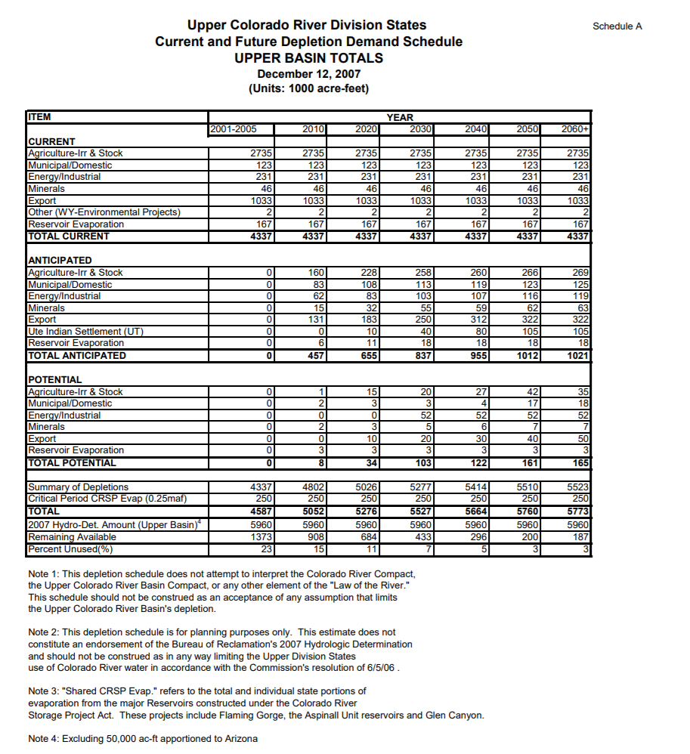
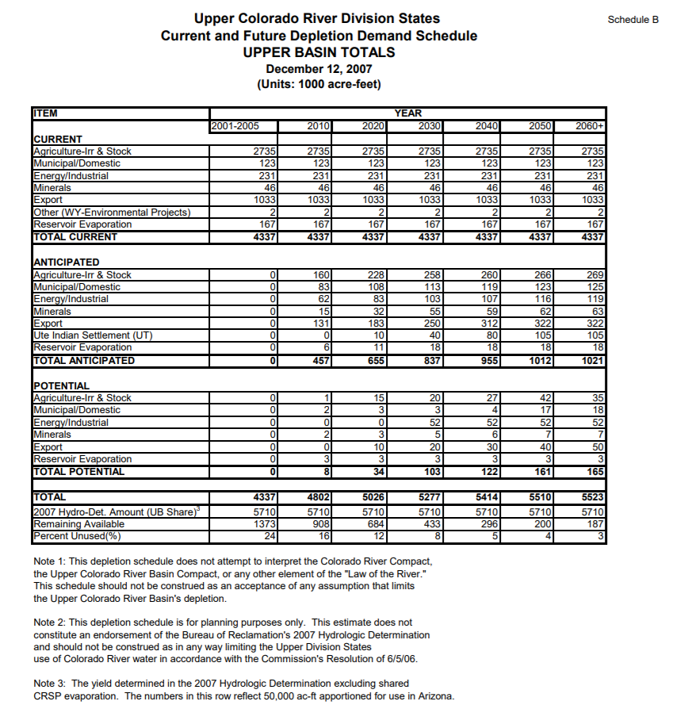
2023 | 5,101 | 5,351 | 250
2024 | 5,126 | 5,376 | 250
2025 | 5,152 | 5,402 | 250
2026 | 5,177 | 5,427 | 250
2027 | 5,202 | 5,452 | 250
2028 | 5,227 | 5,477 | 250
2029 | 5,252 | 5,502 | 250
2030 | 5,277 | 5,527 | 250
2031 | 5,291 | 5,541 | 250
2032 | 5,304 | 5,554 | 250
2033 | 5,318 | 5,568 | 250
2034 | 5,332 | 5,582 | 250
2035 | 5,345 | 5,595 | 250
2036 | 5,359 | 5,609 | 250
2037 | 5,373 | 5,623 | 250
2038 | 5,387 | 5,637 | 250
2039 | 5,400 | 5,650 | 250
2040 | 5,414 | 5,664 | 250
2041 | 5,424 | 5,674 | 250
2042 | 5,433 | 5,683 | 250
2043 | 5,443 | 5,693 | 250
2044 | 5,452 | 5,702 | 250
2045 | 5,462 | 5,712 | 250
2046 | 5,472 | 5,722 | 250
2047 | 5,481 | 5,731 | 250
2048 | 5,491 | 5,741 | 250
2049 | 5,500 | 5,750 | 250
2050 | 5,510 | 5,760 | 250
2051 | 5,511 | 5,761 | 250
2052 | 5,513 | 5,763 | 250
2053 | 5,514 | 5,764 | 250
2054 | 5,515 | 5,765 | 250
2055 | 5,517 | 5,767 | 250
2056 | 5,518 | 5,768 | 250
2057 | 5,519 | 5,769 | 250
2058 | 5,520 | 5,770 | 250
2059 | 5,522 | 5,772 | 250
2060 | 5,523 | 5,773 | 250

UCRC 2016
 | Depletions | CRSP evaporation | Guidance for this page
Yeaar | (KAF/ per year) | (KAF/ per year) | Data Range (G5 to K7) is copied from the following report. Data in Columns B and C is the liner interpolation results
2020 | 4,753 | 520
2021 | 4,774 | 520 |  | 2020 | 2030 | 2040 | 2050 | 2060
2022 | 4,795 | 520 | TOTAL Forecasted Depletions (KAF/ per year) | 4,753 | 4,963 | 5,165 | 5,368 | 5,428
2023 | 4,816 | 520 | Shared CRSP Evap (KAF/ per year) | 520 | 520 | 520 | 520 | 520
2024 | 4,837 | 520 | TOTAL (KAF/ per year) | 5,273 | 5,483 | 5,685 | 5,888 | 5,948
2025 | 4,858 | 520 | Gap between every 7 or 10 years (used for interpolation) |  | 210 | 202 | 203 | 60
2026 | 4,879 | 520
2027 | 4,900 | 520
2028 | 4,921 | 520 | Upper Colorado River Division States Current and Future Depletion Demand Schedule, December 31, 2016
2029 | 4,942 | 520 | http://www.ucrcommission.com/RepDoc/DepSchedules/CurFutDemandSchedule.pdf
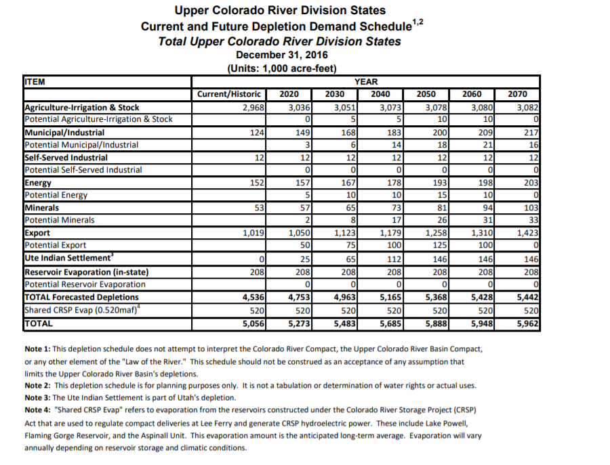
2030 | 4,963 | 520
2031 | 4,983 | 520
2032 | 5,003 | 520
2033 | 5,024 | 520
2034 | 5,044 | 520
2035 | 5,064 | 520
2036 | 5,084 | 520
2037 | 5,104 | 520
2038 | 5,125 | 520
2039 | 5,145 | 520
2040 | 5,165 | 520
2041 | 5,185 | 520
2042 | 5,206 | 520
2043 | 5,226 | 520
2044 | 5,246 | 520
2045 | 5,267 | 520
2046 | 5,287 | 520
2047 | 5,307 | 520
2048 | 5,327 | 520
2049 | 5,348 | 520
2050 | 5,368 | 520
2051 | 5,374 | 520
2052 | 5,380 | 520
2053 | 5,386 | 520
2054 | 5,392 | 520
2055 | 5,398 | 520
2056 | 5,404 | 520
2057 | 5,410 | 520
2058 | 5,416 | 520
2059 | 5,422 | 520
2060 | 5,428 | 520

BOR 1981
 |  |  |  |  | Guidance for this page
 | Depletions | Ten years gap | Evaporation | Total Upper Basin | Data Range (J7 to K10) is copied from the following report. Data in Columns B is the liner interpolation results
 | (KAF/per year) | (KAF/per year) | (KAF/per year) | (KAF/per year)
1980 | 3,462 | 766 | 520 | 3,982
1981 | 3,539 |  | 520 | 4,059 |  | Depletions | Evaporation
1982 | 3,615 |  | 520 | 4,135 |  | (KAF/ per year) | (KAF/per year)
1983 | 3,692 |  | 520 | 4,212 | 1980 | 3,462 | 520
1984 | 3,768 |  | 520 | 4,288 | 1990 | 4,228 | 520
1985 | 3,845 |  | 520 | 4,365 | 2000 | 4,795 | 520
1986 | 3,922 |  | 520 | 4,442 | 2010 | 5,123 | 520
1987 | 3,998 |  | 520 | 4,518
1988 | 4,075 |  | 520 | 4,595
1989 | 4,151 |  | 520 | 4,671 | USBR Projected Water Supply and Depletions Table - 1981
1990 | 4,228 | 567 | 520 | 4,748
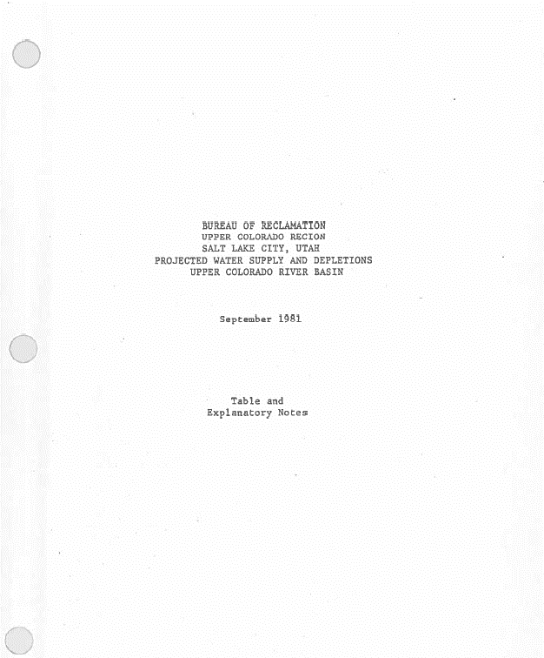
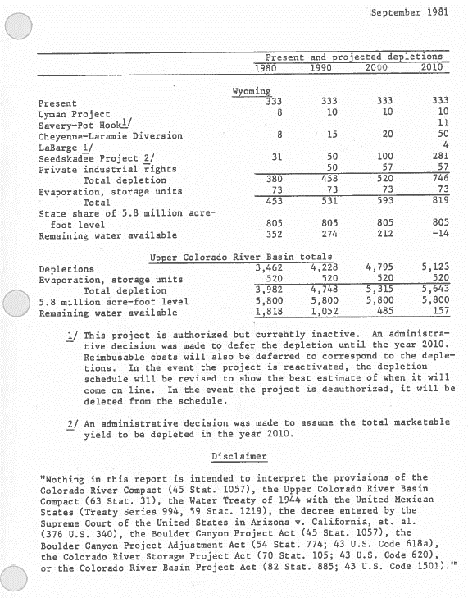
1991 | 4,285 |  | 520 | 4,805
1992 | 4,341 |  | 520 | 4,861
1993 | 4,398 |  | 520 | 4,918
1994 | 4,455 |  | 520 | 4,975
1995 | 4,511 |  | 520 | 5,031
1996 | 4,568 |  | 520 | 5,088
1997 | 4,625 |  | 520 | 5,145
1998 | 4,682 |  | 520 | 5,202
1999 | 4,738 |  | 520 | 5,258
2000 | 4,795 | 328 | 520 | 5,315
2001 | 4,828 |  | 520 | 5,348
2002 | 4,861 |  | 520 | 5,381
2003 | 4,893 |  | 520 | 5,413
2004 | 4,926 |  | 520 | 5,446
2005 | 4,959 |  | 520 | 5,479
2006 | 4,992 |  | 520 | 5,512
2007 | 5,025 |  | 520 | 5,545
2008 | 5,057 |  | 520 | 5,577
2009 | 5,090 |  | 520 | 5,610
2010 | 5,123 |  | 520 | 5,643

BOR 1984
 |  |  |  |  | Guidance for this page
 | Depletions | 7 or 10 years gap | Evaporation | Total Upper Basin | Data Range (H8 to I14) is copied from the following report. Data in Columns B is the liner interpolation results
 | (KAF/per year) | (KAF/per year) | (KAF/per year) | (KAF/per year)
1983 | 3,489 | 610 | 520 | 4,009
1984 | 3,576 |  | 520 | 4,096
1985 | 3,663 |  | 520 | 4,183 |  | Depletions | Evaporation
1986 | 3,750 |  | 520 | 4,270 |  | (KAF/ per year) | (KAF/per year)
1987 | 3,838 |  | 520 | 4,358 | 1983 | 3,489 | 520
1988 | 3,925 |  | 520 | 4,445 | 1990 | 4,099 | 520
1989 | 4,012 |  | 520 | 4,532 | 2000 | 4,677 | 520
1990 | 4,099 | 578 | 520 | 4,619 | 2010 | 4,870 | 520
1991 | 4,157 |  | 520 | 4,677 | 2020 | 5,005 | 520
1992 | 4,215 |  | 520 | 4,735 | 2030 | 5,099 | 520
1993 | 4,272 |  | 520 | 4,792 | 2040 | 5,280 | 520
1994 | 4,330 |  | 520 | 4,850
1995 | 4,388 |  | 520 | 4,908
1996 | 4,446 |  | 520 | 4,966
1997 | 4,504 |  | 520 | 5,024
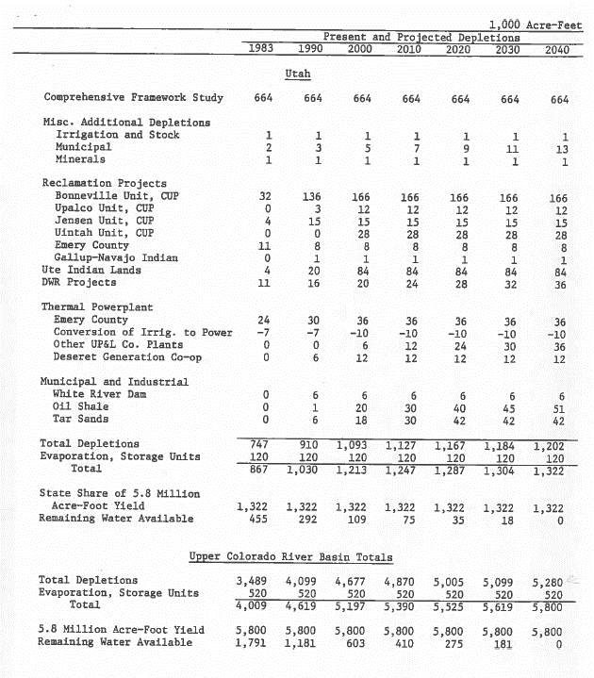
1998 | 4,561 |  | 520 | 5,081 | USBR Projected Water Supply and Depletions Table - 1984
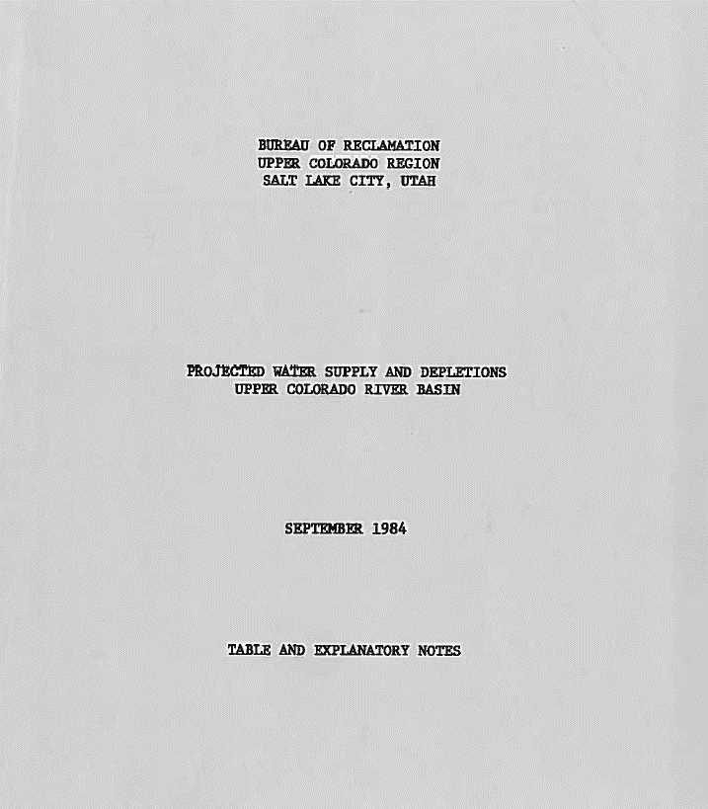
1999 | 4,619 |  | 520 | 5,139
2000 | 4,677 | 193 | 520 | 5,197
2001 | 4,696 |  | 520 | 5,216
2002 | 4,716 |  | 520 | 5,236
2003 | 4,735 |  | 520 | 5,255
2004 | 4,754 |  | 520 | 5,274
2005 | 4,774 |  | 520 | 5,294
2006 | 4,793 |  | 520 | 5,313
2007 | 4,812 |  | 520 | 5,332
2008 | 4,831 |  | 520 | 5,351
2009 | 4,851 |  | 520 | 5,371
2010 | 4,870 | 135 | 520 | 5,390
2011 | 4,884 |  | 520 | 5,404
2012 | 4,897 |  | 520 | 5,417
2013 | 4,911 |  | 520 | 5,431
2014 | 4,924 |  | 520 | 5,444
2015 | 4,938 |  | 520 | 5,458
2016 | 4,951 |  | 520 | 5,471
2017 | 4,965 |  | 520 | 5,485
2018 | 4,978 |  | 520 | 5,498
2019 | 4,992 |  | 520 | 5,512
2020 | 5,005 | 94 | 520 | 5,525
2021 | 5,014 |  | 520 | 5,534
2022 | 5,024 |  | 520 | 5,544
2023 | 5,033 |  | 520 | 5,553
2024 | 5,043 |  | 520 | 5,563
2025 | 5,052 |  | 520 | 5,572
2026 | 5,061 |  | 520 | 5,581
2027 | 5,071 |  | 520 | 5,591
2028 | 5,080 |  | 520 | 5,600
2029 | 5,090 |  | 520 | 5,610
2030 | 5,099 | 181 | 520 | 5,619
2031 | 5,117 |  | 520 | 5,637
2032 | 5,135 |  | 520 | 5,655
2033 | 5,153 |  | 520 | 5,673
2034 | 5,171 |  | 520 | 5,691
2035 | 5,190 |  | 520 | 5,710
2036 | 5,208 |  | 520 | 5,728
2037 | 5,226 |  | 520 | 5,746
2038 | 5,244 |  | 520 | 5,764
2039 | 5,262 |  | 520 | 5,782
2040 | 5,280 |  | 520 | 5,800

CRSP Gross Evaporation Plot
Historical CRSP Gross Evaporation with Different Estimated Rate
 | highest | medium | lowest
1970
1971 | 0.87 | 0.66 | 0.49
1972 | 0.87 | 0.66 | 0.50
1973 | 0.98 | 0.74 | 0.56
1974 | 1.08 | 0.82 | 0.61
1975 | 1.14 | 0.86 | 0.64
1976 | 1.13 | 0.86 | 0.64
1977 | 1.00 | 0.75 | 0.56
1978 | 0.99 | 0.74 | 0.56
1979 | 1.15 | 0.87 | 0.65
1980 | 1.25 | 0.94 | 0.70
1981 | 1.18 | 0.89 | 0.66
1982 | 1.23 | 0.92 | 0.69
1983 | 1.32 | 0.99 | 0.74
1984 | 1.29 | 0.97 | 0.73
1985 | 1.27 | 0.96 | 0.71
1986 | 1.28 | 0.96 | 0.72
1987 | 1.28 | 0.96 | 0.72
1988 | 1.25 | 0.94 | 0.70
1989 | 1.15 | 0.87 | 0.65
1990 | 1.02 | 0.77 | 0.58
1991 | 0.96 | 0.73 | 0.55
1992 | 0.93 | 0.70 | 0.53
1993 | 1.08 | 0.82 | 0.61
1994 | 1.08 | 0.82 | 0.61
1995 | 1.21 | 0.91 | 0.68
1996 | 1.22 | 0.92 | 0.68
1997 | 1.25 | 0.94 | 0.70
1998 | 1.26 | 0.95 | 0.71
1999 | 1.26 | 0.95 | 0.71
2000 | 1.20 | 0.90 | 0.67
2001 | 1.13 | 0.85 | 0.63
2002 | 0.96 | 0.72 | 0.54
2003 | 0.84 | 0.63 | 0.48
2004 | 0.73 | 0.55 | 0.42
2005 | 0.81 | 0.61 | 0.46
2006 | 0.84 | 0.64 | 0.48
2007 | 0.84 | 0.64 | 0.48
2008 | 0.91 | 0.69 | 0.52
2009 | 0.96 | 0.73 | 0.55
2010 | 0.96 | 0.73 | 0.55
2011 | 1.02 | 0.77 | 0.58
2012 | 0.93 | 0.70 | 0.53
2013 | 0.79 | 0.60 | 0.46
2014 | 0.82 | 0.63 | 0.48
2015 | 0.85 | 0.65 | 0.49
2016 | 0.86 | 0.65 | 0.50
2017 | 0.93 | 0.71 | 0.53
2018 | 0.83 | 0.63 | 0.48
2019
...
Evaporation | lowest | midium | highest
Year | (MAF/per year) | (MAF/per year) | (MAF/per year)
1970
1971 | 0.49 | 0.66 | 0.87
1972 | 0.50 | 0.66 | 0.87
1973 | 0.56 | 0.74 | 0.98
1974 | 0.61 | 0.82 | 1.08
1975 | 0.64 | 0.86 | 1.14
1976 | 0.64 | 0.86 | 1.13
1977 | 0.56 | 0.75 | 1.00
1978 | 0.56 | 0.74 | 0.99
1979 | 0.65 | 0.87 | 1.15
1980 | 0.70 | 0.94 | 1.25
1981 | 0.66 | 0.89 | 1.18
1982 | 0.69 | 0.92 | 1.23
1983 | 0.74 | 0.99 | 1.32
1984 | 0.73 | 0.97 | 1.29
1985 | 0.71 | 0.96 | 1.27
1986 | 0.72 | 0.96 | 1.28
1987 | 0.72 | 0.96 | 1.28
1988 | 0.70 | 0.94 | 1.25
1989 | 0.65 | 0.87 | 1.15
1990 | 0.58 | 0.77 | 1.02
1991 | 0.55 | 0.73 | 0.96
1992 | 0.53 | 0.70 | 0.93
1993 | 0.61 | 0.82 | 1.08
1994 | 0.61 | 0.82 | 1.08
1995 | 0.68 | 0.91 | 1.21
1996 | 0.68 | 0.92 | 1.22
1997 | 0.70 | 0.94 | 1.25
1998 | 0.71 | 0.95 | 1.26
1999 | 0.71 | 0.95 | 1.26
2000 | 0.67 | 0.90 | 1.20
2001 | 0.63 | 0.85 | 1.13
2002 | 0.54 | 0.72 | 0.96
2003 | 0.48 | 0.63 | 0.84
2004 | 0.42 | 0.55 | 0.73
2005 | 0.46 | 0.61 | 0.81
2006 | 0.48 | 0.64 | 0.84
2007 | 0.48 | 0.64 | 0.84
2008 | 0.52 | 0.69 | 0.91
2009 | 0.55 | 0.73 | 0.96
2010 | 0.55 | 0.73 | 0.96
2011 | 0.58 | 0.77 | 1.02
2012 | 0.53 | 0.70 | 0.93
2013 | 0.46 | 0.60 | 0.79
2014 | 0.48 | 0.63 | 0.82
2015 | 0.49 | 0.65 | 0.85
2016 | 0.50 | 0.65 | 0.86
2017 | 0.53 | 0.71 | 0.93
2018 | 0.48 | 0.63 | 0.83
2019
2020

Historical Lake Powell Gross Evaporation with Different Estimated Rate
 | highest | medium | lowest
1970
1971 | 0.79 | 0.58 | 0.42
1972 | 0.78 | 0.57 | 0.41
1973 | 0.89 | 0.66 | 0.47
1974 | 0.99 | 0.73 | 0.52
1975 | 1.04 | 0.76 | 0.55
1976 | 1.04 | 0.76 | 0.55
1977 | 0.93 | 0.68 | 0.49
1978 | 0.91 | 0.67 | 0.48
1979 | 1.08 | 0.79 | 0.57
1980 | 1.17 | 0.86 | 0.62
1981 | 1.10 | 0.80 | 0.58
1982 | 1.14 | 0.84 | 0.60
1983 | 1.22 | 0.90 | 0.65
1984 | 1.20 | 0.88 | 0.63
1985 | 1.18 | 0.87 | 0.62
1986 | 1.19 | 0.87 | 0.63
1987 | 1.18 | 0.87 | 0.62
1988 | 1.16 | 0.85 | 0.61
1989 | 1.07 | 0.78 | 0.56
1990 | 0.93 | 0.68 | 0.49
1991 | 0.87 | 0.64 | 0.46
1992 | 0.84 | 0.62 | 0.44
1993 | 0.99 | 0.73 | 0.52
1994 | 1.00 | 0.73 | 0.53
1995 | 1.12 | 0.82 | 0.59
1996 | 1.13 | 0.83 | 0.59
1997 | 1.16 | 0.85 | 0.61
1998 | 1.17 | 0.86 | 0.62
1999 | 1.17 | 0.86 | 0.62
2000 | 1.12 | 0.82 | 0.59
2001 | 1.04 | 0.76 | 0.55
2002 | 0.88 | 0.65 | 0.46
2003 | 0.76 | 0.56 | 0.40
2004 | 0.65 | 0.48 | 0.34
2005 | 0.72 | 0.53 | 0.38
2006 | 0.75 | 0.55 | 0.40
2007 | 0.75 | 0.55 | 0.40
2008 | 0.82 | 0.60 | 0.43
2009 | 0.87 | 0.64 | 0.46
2010 | 0.87 | 0.64 | 0.46
2011 | 0.93 | 0.68 | 0.49
2012 | 0.85 | 0.62 | 0.45
2013 | 0.71 | 0.52 | 0.38
2014 | 0.74 | 0.54 | 0.39
2015 | 0.76 | 0.55 | 0.40
2016 | 0.77 | 0.57 | 0.41
2017 | 0.84 | 0.62 | 0.44
2018 | 0.74 | 0.54 | 0.39
2019
...
Evaporation | lowest | midium | highest
Year | (MAF/per year) | (MAF/per year) | (MAF/per year)
1970
1971 | 0.42 | 0.58 | 0.79
1972 | 0.41 | 0.57 | 0.78
1973 | 0.47 | 0.66 | 0.89
1974 | 0.52 | 0.73 | 0.99
1975 | 0.55 | 0.76 | 1.04
1976 | 0.55 | 0.76 | 1.04
1977 | 0.49 | 0.68 | 0.93
1978 | 0.48 | 0.67 | 0.91
1979 | 0.57 | 0.79 | 1.08
1980 | 0.62 | 0.86 | 1.17
1981 | 0.58 | 0.80 | 1.10
1982 | 0.60 | 0.84 | 1.14
1983 | 0.65 | 0.90 | 1.22
1984 | 0.63 | 0.88 | 1.20
1985 | 0.62 | 0.87 | 1.18
1986 | 0.63 | 0.87 | 1.19
1987 | 0.62 | 0.87 | 1.18
1988 | 0.61 | 0.85 | 1.16
1989 | 0.56 | 0.78 | 1.07
1990 | 0.49 | 0.68 | 0.93
1991 | 0.46 | 0.64 | 0.87
1992 | 0.44 | 0.62 | 0.84
1993 | 0.52 | 0.73 | 0.99
1994 | 0.53 | 0.73 | 1.00
1995 | 0.59 | 0.82 | 1.12
1996 | 0.59 | 0.83 | 1.13
1997 | 0.61 | 0.85 | 1.16
1998 | 0.62 | 0.86 | 1.17
1999 | 0.62 | 0.86 | 1.17
2000 | 0.59 | 0.82 | 1.12
2001 | 0.55 | 0.76 | 1.04
2002 | 0.46 | 0.65 | 0.88
2003 | 0.40 | 0.56 | 0.76
2004 | 0.34 | 0.48 | 0.65
2005 | 0.38 | 0.53 | 0.72
2006 | 0.40 | 0.55 | 0.75
2007 | 0.40 | 0.55 | 0.75
2008 | 0.43 | 0.60 | 0.82
2009 | 0.46 | 0.64 | 0.87
2010 | 0.46 | 0.64 | 0.87
2011 | 0.49 | 0.68 | 0.93
2012 | 0.45 | 0.62 | 0.85
2013 | 0.38 | 0.52 | 0.71
2014 | 0.39 | 0.54 | 0.74
2015 | 0.40 | 0.55 | 0.76
2016 | 0.41 | 0.57 | 0.77
2017 | 0.44 | 0.62 | 0.84
2018 | 0.39 | 0.54 | 0.74
2019
2020

Jacoby 1977 fig 16
Guidance for this page
1. Lake Powell elevation evaporation

 |  |  |  | Powell Gross Evap Rate from Fill Mead First report, table 2
 | Evaporation | Elevation | Area | URL | https://qcnr.usu.edu/coloradoriver/files/FillMeadFirst_Technical_Assessment.pdf
 | (KAF/year) | (feet) | (acre) |  | Gross evaporation rate (feet)
 | 933 | 3700 | 160784 |  | 5.8
 | 889 | 3690 | 153215.5
 | 845 | 3680 | 145647
 | 802 | 3670 | 138273
 | 759 | 3660 | 130899
 | 722 | 3650 | 124476.5
 | 685 | 3640 | 118054
 | 650 | 3630 | 111991.5
 | 614 | 3620 | 105929
 | 584 | 3610 | 100658
 | 553 | 3600 | 95387
 | 525 | 3590 | 90527
 | 497 | 3580 | 85667
 | 469 | 3570 | 80824
 | 441 | 3560 | 75981
 | 415 | 3550 | 71593.5
 | 390 | 3540 | 67206 | Elevation Area Table from CRSS
 | 367 | 3530 | 63341 | Elevation (feet) | area (acre)
 | 345 | 3520 | 59476 | 3370 | 20303
 | 324 | 3510 | 55931 | 3370.5 | 20392.95
 | 304 | 3500 | 52386 | 3371 | 20482.9
 | 286 | 3490 | 49330.5 | 3371.5 | 20572.85
 | 268 | 3480 | 46275 | 3372 | 20662.8
 | 251 | 3470 | 43318 | 3372.5 | 20752.75
 | 234 | 3460 | 40361 | 3373 | 20842.7
 | 218 | 3450 | 37530 | 3373.5 | 20932.65
 | 201 | 3440 | 34699 | 3374 | 21022.6
 | 188 | 3430 | 32372 | 3374.5 | 21112.55
 | 174 | 3420 | 30045 | 3375 | 21202.5
 | 163 | 3410 | 28053.5 | 3375.5 | 21292.45
 | 151 | 3400 | 26062 | 3376 | 21382.4
 | 140 | 3390 | 24082 | 3376.5 | 21472.35
 | 128 | 3380 | 22102 | 3377 | 21562.3
 | 118 | 3370 | 20303 | 3377.5 | 21652.25
 |  |  |  | 3378 | 21742.2
 |  |  |  | 3378.5 | 21832.15
 |  |  |  | 3379 | 21922.1
 |  |  |  | 3379.5 | 22012.05
 |  |  |  | 3380 | 22102
 |  |  |  | 3380.5 | 22201
 |  |  |  | 3381 | 22300
 |  |  |  | 3381.5 | 22399
 |  |  |  | 3382 | 22498
 |  |  |  | 3382.5 | 22597
 |  |  |  | 3383 | 22696
 |  |  |  | 3383.5 | 22795
 |  |  |  | 3384 | 22894
 |  |  |  | 3384.5 | 22993
 |  |  |  | 3385 | 23092
 |  |  |  | 3385.5 | 23191
 |  |  |  | 3386 | 23290
 |  |  |  | 3386.5 | 23389
 |  |  |  | 3387 | 23488
 |  |  |  | 3387.5 | 23587
 |  |  |  | 3388 | 23686
 |  |  |  | 3388.5 | 23785
 |  |  |  | 3389 | 23884
 |  |  |  | 3389.5 | 23983
 |  |  |  | 3390 | 24082
 |  |  |  | 3390.5 | 24181
 |  |  |  | 3391 | 24280
 |  |  |  | 3391.5 | 24379
 |  |  |  | 3392 | 24478
 |  |  |  | 3392.5 | 24577
 |  |  |  | 3393 | 24676
 |  |  |  | 3393.5 | 24775
 |  |  |  | 3394 | 24874
 |  |  |  | 3394.5 | 24973
 |  |  |  | 3395 | 25072
 |  |  |  | 3395.5 | 25171
 |  |  |  | 3396 | 25270
 |  |  |  | 3396.5 | 25369
 |  |  |  | 3397 | 25468
 |  |  |  | 3397.5 | 25567
 |  |  |  | 3398 | 25666
 |  |  |  | 3398.5 | 25765
 |  |  |  | 3399 | 25864
 |  |  |  | 3399.5 | 25963
 |  |  |  | 3400 | 26062
 |  |  |  | 3400.5 | 26161.57
 |  |  |  | 3401 | 26261.15
 |  |  |  | 3401.5 | 26360.72
 |  |  |  | 3402 | 26460.3
 |  |  |  | 3402.5 | 26559.87
 |  |  |  | 3403 | 26659.45
 |  |  |  | 3403.5 | 26759.02
 |  |  |  | 3404 | 26858.6
 |  |  |  | 3404.5 | 26958.17
 |  |  |  | 3405 | 27057.75
 |  |  |  | 3405.5 | 27157.32
 |  |  |  | 3406 | 27256.9
 |  |  |  | 3406.5 | 27356.47
 |  |  |  | 3407 | 27456.05
 |  |  |  | 3407.5 | 27555.62
 |  |  |  | 3408 | 27655.2
 |  |  |  | 3408.5 | 27754.77
 |  |  |  | 3409 | 27854.35
 |  |  |  | 3409.5 | 27953.92
 |  |  |  | 3410 | 28053.5
 |  |  |  | 3410.5 | 28153.07
 |  |  |  | 3411 | 28252.65
 |  |  |  | 3411.5 | 28352.22
 |  |  |  | 3412 | 28451.8
 |  |  |  | 3412.5 | 28551.37
 |  |  |  | 3413 | 28650.95
 |  |  |  | 3413.5 | 28750.52
 |  |  |  | 3414 | 28850.1
 |  |  |  | 3414.5 | 28949.67
 |  |  |  | 3415 | 29049.25
 |  |  |  | 3415.5 | 29148.82
 |  |  |  | 3416 | 29248.4
 |  |  |  | 3416.5 | 29347.97
 |  |  |  | 3417 | 29447.55
 |  |  |  | 3417.5 | 29547.12
 |  |  |  | 3418 | 29646.7
 |  |  |  | 3418.5 | 29746.27
 |  |  |  | 3419 | 29845.85
 |  |  |  | 3419.5 | 29945.42
 |  |  |  | 3420 | 30045
 |  |  |  | 3420.5 | 30161.35
 |  |  |  | 3421 | 30277.7
 |  |  |  | 3421.5 | 30394.05
 |  |  |  | 3422 | 30510.4
 |  |  |  | 3422.5 | 30626.75
 |  |  |  | 3423 | 30743.1
 |  |  |  | 3423.5 | 30859.45
 |  |  |  | 3424 | 30975.8
 |  |  |  | 3424.5 | 31092.15
 |  |  |  | 3425 | 31208.5
 |  |  |  | 3425.5 | 31324.85
 |  |  |  | 3426 | 31441.2
 |  |  |  | 3426.5 | 31557.55
 |  |  |  | 3427 | 31673.9
 |  |  |  | 3427.5 | 31790.25
 |  |  |  | 3428 | 31906.6
 |  |  |  | 3428.5 | 32022.95
 |  |  |  | 3429 | 32139.3
 |  |  |  | 3429.5 | 32255.65
 |  |  |  | 3430 | 32372
 |  |  |  | 3430.5 | 32488.35
 |  |  |  | 3431 | 32604.7
 |  |  |  | 3431.5 | 32721.05
 |  |  |  | 3432 | 32837.4
 |  |  |  | 3432.5 | 32953.75
 |  |  |  | 3433 | 33070.1
 |  |  |  | 3433.5 | 33186.45
 |  |  |  | 3434 | 33302.8
 |  |  |  | 3434.5 | 33419.15
 |  |  |  | 3435 | 33535.5
 |  |  |  | 3435.5 | 33651.85
 |  |  |  | 3436 | 33768.2
 |  |  |  | 3436.5 | 33884.55
 |  |  |  | 3437 | 34000.9
 |  |  |  | 3437.5 | 34117.25
 |  |  |  | 3438 | 34233.6
 |  |  |  | 3438.5 | 34349.95
 |  |  |  | 3439 | 34466.3
 |  |  |  | 3439.5 | 34582.65
 |  |  |  | 3440 | 34699
 |  |  |  | 3440.5 | 34840.55
 |  |  |  | 3441 | 34982.1
 |  |  |  | 3441.5 | 35123.65
 |  |  |  | 3442 | 35265.2
 |  |  |  | 3442.5 | 35406.75
 |  |  |  | 3443 | 35548.3
 |  |  |  | 3443.5 | 35689.85
 |  |  |  | 3444 | 35831.4
 |  |  |  | 3444.5 | 35972.95
 |  |  |  | 3445 | 36114.5
 |  |  |  | 3445.5 | 36256.05
 |  |  |  | 3446 | 36397.6
 |  |  |  | 3446.5 | 36539.15
 |  |  |  | 3447 | 36680.7
 |  |  |  | 3447.5 | 36822.25
 |  |  |  | 3448 | 36963.8
 |  |  |  | 3448.5 | 37105.35
 |  |  |  | 3449 | 37246.9
 |  |  |  | 3449.5 | 37388.45
 |  |  |  | 3450 | 37530
 |  |  |  | 3450.5 | 37671.55
 |  |  |  | 3451 | 37813.1
 |  |  |  | 3451.5 | 37954.65
 |  |  |  | 3452 | 38096.2
 |  |  |  | 3452.5 | 38237.75
 |  |  |  | 3453 | 38379.3
 |  |  |  | 3453.5 | 38520.85
 |  |  |  | 3454 | 38662.4
 |  |  |  | 3454.5 | 38803.95
 |  |  |  | 3455 | 38945.5
 |  |  |  | 3455.5 | 39087.05
 |  |  |  | 3456 | 39228.6
 |  |  |  | 3456.5 | 39370.15
 |  |  |  | 3457 | 39511.7
 |  |  |  | 3457.5 | 39653.25
 |  |  |  | 3458 | 39794.8
 |  |  |  | 3458.5 | 39936.35
 |  |  |  | 3459 | 40077.9
 |  |  |  | 3459.5 | 40219.45
 |  |  |  | 3460 | 40361
 |  |  |  | 3460.5 | 40508.85
 |  |  |  | 3461 | 40656.7
 |  |  |  | 3461.5 | 40804.55
 |  |  |  | 3462 | 40952.4
 |  |  |  | 3462.5 | 41100.25
 |  |  |  | 3463 | 41248.1
 |  |  |  | 3463.5 | 41395.95
 |  |  |  | 3464 | 41543.8
 |  |  |  | 3464.5 | 41691.65
 |  |  |  | 3465 | 41839.5
 |  |  |  | 3465.5 | 41987.35
 |  |  |  | 3466 | 42135.2
 |  |  |  | 3466.5 | 42283.05
 |  |  |  | 3467 | 42430.9
 |  |  |  | 3467.5 | 42578.75
 |  |  |  | 3468 | 42726.6
 |  |  |  | 3468.5 | 42874.45
 |  |  |  | 3469 | 43022.3
 |  |  |  | 3469.5 | 43170.15
 |  |  |  | 3470 | 43318
 |  |  |  | 3470.5 | 43465.85
 |  |  |  | 3471 | 43613.7
 |  |  |  | 3471.5 | 43761.55
 |  |  |  | 3472 | 43909.4
 |  |  |  | 3472.5 | 44057.25
 |  |  |  | 3473 | 44205.1
 |  |  |  | 3473.5 | 44352.95
 |  |  |  | 3474 | 44500.8
 |  |  |  | 3474.5 | 44648.65
 |  |  |  | 3475 | 44796.5
 |  |  |  | 3475.5 | 44944.35
 |  |  |  | 3476 | 45092.2
 |  |  |  | 3476.5 | 45240.05
 |  |  |  | 3477 | 45387.9
 |  |  |  | 3477.5 | 45535.75
 |  |  |  | 3478 | 45683.6
 |  |  |  | 3478.5 | 45831.45
 |  |  |  | 3479 | 45979.3
 |  |  |  | 3479.5 | 46127.15
 |  |  |  | 3480 | 46275
 |  |  |  | 3480.5 | 46427.77
 |  |  |  | 3481 | 46580.55
 |  |  |  | 3481.5 | 46733.32
 |  |  |  | 3482 | 46886.1
 |  |  |  | 3482.5 | 47038.87
 |  |  |  | 3483 | 47191.65
 |  |  |  | 3483.5 | 47344.42
 |  |  |  | 3484 | 47497.2
 |  |  |  | 3484.5 | 47649.97
 |  |  |  | 3485 | 47802.75
 |  |  |  | 3485.5 | 47955.52
 |  |  |  | 3486 | 48108.3
 |  |  |  | 3486.5 | 48261.07
 |  |  |  | 3487 | 48413.85
 |  |  |  | 3487.5 | 48566.62
 |  |  |  | 3488 | 48719.4
 |  |  |  | 3488.5 | 48872.17
 |  |  |  | 3489 | 49024.95
 |  |  |  | 3489.5 | 49177.72
 |  |  |  | 3490 | 49330.5
 |  |  |  | 3490.5 | 49483.27
 |  |  |  | 3491 | 49636.05
 |  |  |  | 3491.5 | 49788.82
 |  |  |  | 3492 | 49941.6
 |  |  |  | 3492.5 | 50094.37
 |  |  |  | 3493 | 50247.15
 |  |  |  | 3493.5 | 50399.92
 |  |  |  | 3494 | 50552.7
 |  |  |  | 3494.5 | 50705.47
 |  |  |  | 3495 | 50858.25
 |  |  |  | 3495.5 | 51011.02
 |  |  |  | 3496 | 51163.8
 |  |  |  | 3496.5 | 51316.57
 |  |  |  | 3497 | 51469.35
 |  |  |  | 3497.5 | 51622.12
 |  |  |  | 3498 | 51774.9
 |  |  |  | 3498.5 | 51927.67
 |  |  |  | 3499 | 52080.45
 |  |  |  | 3499.5 | 52233.22
 |  |  |  | 3500 | 52386
 |  |  |  | 3500.5 | 52563.25
 |  |  |  | 3501 | 52740.5
 |  |  |  | 3501.5 | 52917.75
 |  |  |  | 3502 | 53095
 |  |  |  | 3502.5 | 53272.25
 |  |  |  | 3503 | 53449.5
 |  |  |  | 3503.5 | 53626.75
 |  |  |  | 3504 | 53804
 |  |  |  | 3504.5 | 53981.25
 |  |  |  | 3505 | 54158.5
 |  |  |  | 3505.5 | 54335.75
 |  |  |  | 3506 | 54513
 |  |  |  | 3506.5 | 54690.25
 |  |  |  | 3507 | 54867.5
 |  |  |  | 3507.5 | 55044.75
 |  |  |  | 3508 | 55222
 |  |  |  | 3508.5 | 55399.25
 |  |  |  | 3509 | 55576.5
 |  |  |  | 3509.5 | 55753.75
 |  |  |  | 3510 | 55931
 |  |  |  | 3510.5 | 56108.25
 |  |  |  | 3511 | 56285.5
 |  |  |  | 3511.5 | 56462.75
 |  |  |  | 3512 | 56640
 |  |  |  | 3512.5 | 56817.25
 |  |  |  | 3513 | 56994.5
 |  |  |  | 3513.5 | 57171.75
 |  |  |  | 3514 | 57349
 |  |  |  | 3514.5 | 57526.25
 |  |  |  | 3515 | 57703.5
 |  |  |  | 3515.5 | 57880.75
 |  |  |  | 3516 | 58058
 |  |  |  | 3516.5 | 58235.25
 |  |  |  | 3517 | 58412.5
 |  |  |  | 3517.5 | 58589.75
 |  |  |  | 3518 | 58767
 |  |  |  | 3518.5 | 58944.25
 |  |  |  | 3519 | 59121.5
 |  |  |  | 3519.5 | 59298.75
 |  |  |  | 3520 | 59476
 |  |  |  | 3520.5 | 59669.25
 |  |  |  | 3521 | 59862.5
 |  |  |  | 3521.5 | 60055.75
 |  |  |  | 3522 | 60249
 |  |  |  | 3522.5 | 60442.25
 |  |  |  | 3523 | 60635.5
 |  |  |  | 3523.5 | 60828.75
 |  |  |  | 3524 | 61022
 |  |  |  | 3524.5 | 61215.25
 |  |  |  | 3525 | 61408.5
 |  |  |  | 3525.5 | 61601.75
 |  |  |  | 3526 | 61795
 |  |  |  | 3526.5 | 61988.25
 |  |  |  | 3527 | 62181.5
 |  |  |  | 3527.5 | 62374.75
 |  |  |  | 3528 | 62568
 |  |  |  | 3528.5 | 62761.25
 |  |  |  | 3529 | 62954.5
 |  |  |  | 3529.5 | 63147.75
 |  |  |  | 3530 | 63341
 |  |  |  | 3530.5 | 63534.25
 |  |  |  | 3531 | 63727.5
 |  |  |  | 3531.5 | 63920.75
 |  |  |  | 3532 | 64114
 |  |  |  | 3532.5 | 64307.25
 |  |  |  | 3533 | 64500.5
 |  |  |  | 3533.5 | 64693.75
 |  |  |  | 3534 | 64887
 |  |  |  | 3534.5 | 65080.25
 |  |  |  | 3535 | 65273.5
 |  |  |  | 3535.5 | 65466.75
 |  |  |  | 3536 | 65660
 |  |  |  | 3536.5 | 65853.25
 |  |  |  | 3537 | 66046.5
 |  |  |  | 3537.5 | 66239.75
 |  |  |  | 3538 | 66433
 |  |  |  | 3538.5 | 66626.25
 |  |  |  | 3539 | 66819.5
 |  |  |  | 3539.5 | 67012.75
 |  |  |  | 3540 | 67206
 |  |  |  | 3540.5 | 67425.37
 |  |  |  | 3541 | 67644.75
 |  |  |  | 3541.5 | 67864.12
 |  |  |  | 3542 | 68083.5
 |  |  |  | 3542.5 | 68302.87
 |  |  |  | 3543 | 68522.25
 |  |  |  | 3543.5 | 68741.62
 |  |  |  | 3544 | 68961
 |  |  |  | 3544.5 | 69180.37
 |  |  |  | 3545 | 69399.75
 |  |  |  | 3545.5 | 69619.12
 |  |  |  | 3546 | 69838.5
 |  |  |  | 3546.5 | 70057.87
 |  |  |  | 3547 | 70277.25
 |  |  |  | 3547.5 | 70496.62
 |  |  |  | 3548 | 70716
 |  |  |  | 3548.5 | 70935.37
 |  |  |  | 3549 | 71154.75
 |  |  |  | 3549.5 | 71374.12
 |  |  |  | 3550 | 71593.5
 |  |  |  | 3550.5 | 71812.87
 |  |  |  | 3551 | 72032.25
 |  |  |  | 3551.5 | 72251.62
 |  |  |  | 3552 | 72471
 |  |  |  | 3552.5 | 72690.37
 |  |  |  | 3553 | 72909.75
 |  |  |  | 3553.5 | 73129.12
 |  |  |  | 3554 | 73348.5
 |  |  |  | 3554.5 | 73567.87
 |  |  |  | 3555 | 73787.25
 |  |  |  | 3555.5 | 74006.62
 |  |  |  | 3556 | 74226
 |  |  |  | 3556.5 | 74445.37
 |  |  |  | 3557 | 74664.75
 |  |  |  | 3557.5 | 74884.12
 |  |  |  | 3558 | 75103.5
 |  |  |  | 3558.5 | 75322.87
 |  |  |  | 3559 | 75542.25
 |  |  |  | 3559.5 | 75761.62
 |  |  |  | 3560 | 75981
 |  |  |  | 3560.5 | 76223.15
 |  |  |  | 3561 | 76465.3
 |  |  |  | 3561.5 | 76707.45
 |  |  |  | 3562 | 76949.6
 |  |  |  | 3562.5 | 77191.75
 |  |  |  | 3563 | 77433.9
 |  |  |  | 3563.5 | 77676.05
 |  |  |  | 3564 | 77918.2
 |  |  |  | 3564.5 | 78160.35
 |  |  |  | 3565 | 78402.5
 |  |  |  | 3565.5 | 78644.65
 |  |  |  | 3566 | 78886.8
 |  |  |  | 3566.5 | 79128.95
 |  |  |  | 3567 | 79371.1
 |  |  |  | 3567.5 | 79613.25
 |  |  |  | 3568 | 79855.4
 |  |  |  | 3568.5 | 80097.55
 |  |  |  | 3569 | 80339.7
 |  |  |  | 3569.5 | 80581.85
 |  |  |  | 3570 | 80824
 |  |  |  | 3570.5 | 81066.15
 |  |  |  | 3571 | 81308.3
 |  |  |  | 3571.5 | 81550.45
 |  |  |  | 3572 | 81792.6
 |  |  |  | 3572.5 | 82034.75
 |  |  |  | 3573 | 82276.9
 |  |  |  | 3573.5 | 82519.05
 |  |  |  | 3574 | 82761.2
 |  |  |  | 3574.5 | 83003.35
 |  |  |  | 3575 | 83245.5
 |  |  |  | 3575.5 | 83487.65
 |  |  |  | 3576 | 83729.8
 |  |  |  | 3576.5 | 83971.95
 |  |  |  | 3577 | 84214.1
 |  |  |  | 3577.5 | 84456.25
 |  |  |  | 3578 | 84698.4
 |  |  |  | 3578.5 | 84940.55
 |  |  |  | 3579 | 85182.7
 |  |  |  | 3579.5 | 85424.85
 |  |  |  | 3580 | 85667
 |  |  |  | 3580.5 | 85910
 |  |  |  | 3581 | 86153
 |  |  |  | 3581.5 | 86396
 |  |  |  | 3582 | 86639
 |  |  |  | 3582.5 | 86882
 |  |  |  | 3583 | 87125
 |  |  |  | 3583.5 | 87368
 |  |  |  | 3584 | 87611
 |  |  |  | 3584.5 | 87854
 |  |  |  | 3585 | 88097
 |  |  |  | 3585.5 | 88340
 |  |  |  | 3586 | 88583
 |  |  |  | 3586.5 | 88826
 |  |  |  | 3587 | 89069
 |  |  |  | 3587.5 | 89312
 |  |  |  | 3588 | 89555
 |  |  |  | 3588.5 | 89798
 |  |  |  | 3589 | 90041
 |  |  |  | 3589.5 | 90284
 |  |  |  | 3590 | 90527
 |  |  |  | 3590.5 | 90770
 |  |  |  | 3591 | 91013
 |  |  |  | 3591.5 | 91256
 |  |  |  | 3592 | 91499
 |  |  |  | 3592.5 | 91742
 |  |  |  | 3593 | 91985
 |  |  |  | 3593.5 | 92228
 |  |  |  | 3594 | 92471
 |  |  |  | 3594.5 | 92714
 |  |  |  | 3595 | 92957
 |  |  |  | 3595.5 | 93200
 |  |  |  | 3596 | 93443
 |  |  |  | 3596.5 | 93686
 |  |  |  | 3597 | 93929
 |  |  |  | 3597.5 | 94172
 |  |  |  | 3598 | 94415
 |  |  |  | 3598.5 | 94658
 |  |  |  | 3599 | 94901
 |  |  |  | 3599.5 | 95144
 |  |  |  | 3600 | 95387
 |  |  |  | 3600.5 | 95650.55
 |  |  |  | 3601 | 95914.1
 |  |  |  | 3601.5 | 96177.65
 |  |  |  | 3602 | 96441.2
 |  |  |  | 3602.5 | 96704.75
 |  |  |  | 3603 | 96968.3
 |  |  |  | 3603.5 | 97231.85
 |  |  |  | 3604 | 97495.4
 |  |  |  | 3604.5 | 97758.95
 |  |  |  | 3605 | 98022.5
 |  |  |  | 3605.5 | 98286.05
 |  |  |  | 3606 | 98549.6
 |  |  |  | 3606.5 | 98813.15
 |  |  |  | 3607 | 99076.7
 |  |  |  | 3607.5 | 99340.25
 |  |  |  | 3608 | 99603.8
 |  |  |  | 3608.5 | 99867.35
 |  |  |  | 3609 | 100130.9
 |  |  |  | 3609.5 | 100394.45
 |  |  |  | 3610 | 100658
 |  |  |  | 3610.5 | 100921.55
 |  |  |  | 3611 | 101185.1
 |  |  |  | 3611.5 | 101448.65
 |  |  |  | 3612 | 101712.2
 |  |  |  | 3612.5 | 101975.75
 |  |  |  | 3613 | 102239.3
 |  |  |  | 3613.5 | 102502.85
 |  |  |  | 3614 | 102766.4
 |  |  |  | 3614.5 | 103029.95
 |  |  |  | 3615 | 103293.5
 |  |  |  | 3615.5 | 103557.05
 |  |  |  | 3616 | 103820.6
 |  |  |  | 3616.5 | 104084.15
 |  |  |  | 3617 | 104347.7
 |  |  |  | 3617.5 | 104611.25
 |  |  |  | 3618 | 104874.8
 |  |  |  | 3618.5 | 105138.35
 |  |  |  | 3619 | 105401.9
 |  |  |  | 3619.5 | 105665.45
 |  |  |  | 3620 | 105929
 |  |  |  | 3620.5 | 106232.12
 |  |  |  | 3621 | 106535.25
 |  |  |  | 3621.5 | 106838.37
 |  |  |  | 3622 | 107141.5
 |  |  |  | 3622.5 | 107444.62
 |  |  |  | 3623 | 107747.75
 |  |  |  | 3623.5 | 108050.87
 |  |  |  | 3624 | 108354
 |  |  |  | 3624.5 | 108657.12
 |  |  |  | 3625 | 108960.25
 |  |  |  | 3625.5 | 109263.37
 |  |  |  | 3626 | 109566.5
 |  |  |  | 3626.5 | 109869.62
 |  |  |  | 3627 | 110172.75
 |  |  |  | 3627.5 | 110475.87
 |  |  |  | 3628 | 110779
 |  |  |  | 3628.5 | 111082.12
 |  |  |  | 3629 | 111385.25
 |  |  |  | 3629.5 | 111688.37
 |  |  |  | 3630 | 111991.5
 |  |  |  | 3630.5 | 112294.62
 |  |  |  | 3631 | 112597.75
 |  |  |  | 3631.5 | 112900.87
 |  |  |  | 3632 | 113204
 |  |  |  | 3632.5 | 113507.12
 |  |  |  | 3633 | 113810.25
 |  |  |  | 3633.5 | 114113.37
 |  |  |  | 3634 | 114416.5
 |  |  |  | 3634.5 | 114719.62
 |  |  |  | 3635 | 115022.75
 |  |  |  | 3635.5 | 115325.87
 |  |  |  | 3636 | 115629
 |  |  |  | 3636.5 | 115932.12
 |  |  |  | 3637 | 116235.25
 |  |  |  | 3637.5 | 116538.37
 |  |  |  | 3638 | 116841.5
 |  |  |  | 3638.5 | 117144.62
 |  |  |  | 3639 | 117447.75
 |  |  |  | 3639.5 | 117750.87
 |  |  |  | 3640 | 118054
 |  |  |  | 3640.5 | 118375.12
 |  |  |  | 3641 | 118696.25
 |  |  |  | 3641.5 | 119017.37
 |  |  |  | 3642 | 119338.5
 |  |  |  | 3642.5 | 119659.62
 |  |  |  | 3643 | 119980.75
 |  |  |  | 3643.5 | 120301.87
 |  |  |  | 3644 | 120623
 |  |  |  | 3644.5 | 120944.12
 |  |  |  | 3645 | 121265.25
 |  |  |  | 3645.5 | 121586.37
 |  |  |  | 3646 | 121907.5
 |  |  |  | 3646.5 | 122228.62
 |  |  |  | 3647 | 122549.75
 |  |  |  | 3647.5 | 122870.87
 |  |  |  | 3648 | 123192
 |  |  |  | 3648.5 | 123513.12
 |  |  |  | 3649 | 123834.25
 |  |  |  | 3649.5 | 124155.37
 |  |  |  | 3650 | 124476.5
 |  |  |  | 3650.5 | 124797.62
 |  |  |  | 3651 | 125118.75
 |  |  |  | 3651.5 | 125439.87
 |  |  |  | 3652 | 125761
 |  |  |  | 3652.5 | 126082.12
 |  |  |  | 3653 | 126403.25
 |  |  |  | 3653.5 | 126724.37
 |  |  |  | 3654 | 127045.5
 |  |  |  | 3654.5 | 127366.62
 |  |  |  | 3655 | 127687.75
 |  |  |  | 3655.5 | 128008.87
 |  |  |  | 3656 | 128330
 |  |  |  | 3656.5 | 128651.12
 |  |  |  | 3657 | 128972.25
 |  |  |  | 3657.5 | 129293.37
 |  |  |  | 3658 | 129614.5
 |  |  |  | 3658.5 | 129935.62
 |  |  |  | 3659 | 130256.75
 |  |  |  | 3659.5 | 130577.87
 |  |  |  | 3660 | 130899
 |  |  |  | 3660.5 | 131267.7
 |  |  |  | 3661 | 131636.4
 |  |  |  | 3661.5 | 132005.1
 |  |  |  | 3662 | 132373.8
 |  |  |  | 3662.5 | 132742.5
 |  |  |  | 3663 | 133111.2
 |  |  |  | 3663.5 | 133479.9
 |  |  |  | 3664 | 133848.6
 |  |  |  | 3664.5 | 134217.3
 |  |  |  | 3665 | 134586
 |  |  |  | 3665.5 | 134954.7
 |  |  |  | 3666 | 135323.4
 |  |  |  | 3666.5 | 135692.1
 |  |  |  | 3667 | 136060.8
 |  |  |  | 3667.5 | 136429.5
 |  |  |  | 3668 | 136798.2
 |  |  |  | 3668.5 | 137166.9
 |  |  |  | 3669 | 137535.6
 |  |  |  | 3669.5 | 137904.3
 |  |  |  | 3670 | 138273
 |  |  |  | 3670.5 | 138641.7
 |  |  |  | 3671 | 139010.4
 |  |  |  | 3671.5 | 139379.1
 |  |  |  | 3672 | 139747.8
 |  |  |  | 3672.5 | 140116.5
 |  |  |  | 3673 | 140485.2
 |  |  |  | 3673.5 | 140853.9
 |  |  |  | 3674 | 141222.6
 |  |  |  | 3674.5 | 141591.3
 |  |  |  | 3675 | 141960
 |  |  |  | 3675.5 | 142328.7
 |  |  |  | 3676 | 142697.4
 |  |  |  | 3676.5 | 143066.1
 |  |  |  | 3677 | 143434.8
 |  |  |  | 3677.5 | 143803.5
 |  |  |  | 3678 | 144172.2
 |  |  |  | 3678.5 | 144540.9
 |  |  |  | 3679 | 144909.6
 |  |  |  | 3679.5 | 145278.3
 |  |  |  | 3680 | 145647
 |  |  |  | 3680.5 | 146025.42
 |  |  |  | 3681 | 146403.85
 |  |  |  | 3681.5 | 146782.27
 |  |  |  | 3682 | 147160.7
 |  |  |  | 3682.5 | 147539.12
 |  |  |  | 3683 | 147917.55
 |  |  |  | 3683.5 | 148295.97
 |  |  |  | 3684 | 148674.4
 |  |  |  | 3684.5 | 149052.82
 |  |  |  | 3685 | 149431.25
 |  |  |  | 3685.5 | 149809.67
 |  |  |  | 3686 | 150188.1
 |  |  |  | 3686.5 | 150566.52
 |  |  |  | 3687 | 150944.95
 |  |  |  | 3687.5 | 151323.37
 |  |  |  | 3688 | 151701.8
 |  |  |  | 3688.5 | 152080.22
 |  |  |  | 3689 | 152458.65
 |  |  |  | 3689.5 | 152837.07
 |  |  |  | 3690 | 153215.5
 |  |  |  | 3690.5 | 153593.92
 |  |  |  | 3691 | 153972.35
 |  |  |  | 3691.5 | 154350.77
 |  |  |  | 3692 | 154729.2
 |  |  |  | 3692.5 | 155107.62
 |  |  |  | 3693 | 155486.05
 |  |  |  | 3693.5 | 155864.47
 |  |  |  | 3694 | 156242.9
 |  |  |  | 3694.5 | 156621.32
 |  |  |  | 3695 | 156999.75
 |  |  |  | 3695.5 | 157378.17
 |  |  |  | 3696 | 157756.6
 |  |  |  | 3696.5 | 158135.02
 |  |  |  | 3697 | 158513.45
 |  |  |  | 3697.5 | 158891.87
 |  |  |  | 3698 | 159270.3
 |  |  |  | 3698.5 | 159648.72
 |  |  |  | 3699 | 160027.15
 |  |  |  | 3699.5 | 160405.57
 |  |  |  | 3700 | 160784
 |  |  |  | 3700.5 | 161191.12
 |  |  |  | 3701 | 161598.25
 |  |  |  | 3701.5 | 162005.37
 |  |  |  | 3702 | 162412.5
 |  |  |  | 3702.5 | 162819.62
 |  |  |  | 3703 | 163226.75
 |  |  |  | 3703.5 | 163633.87
 |  |  |  | 3704 | 164041
 |  |  |  | 3704.5 | 164448.12
 |  |  |  | 3705 | 164855.25
 |  |  |  | 3705.5 | 165262.37
 |  |  |  | 3706 | 165669.5
 |  |  |  | 3706.5 | 166076.62
 |  |  |  | 3707 | 166483.75
 |  |  |  | 3707.5 | 166890.87
 |  |  |  | 3708 | 167298
 |  |  |  | 3708.5 | 167705.12
 |  |  |  | 3709 | 168112.25
 |  |  |  | 3709.5 | 168519.37
 |  |  |  | 3710 | 168926.5
 |  |  |  | 3710.5 | 169333.62
 |  |  |  | 3711 | 169740.75
 |  |  |  | 3711.5 | 170147.87
 |  |  |  | 3800 | 250000

